Rollup Summary Fields
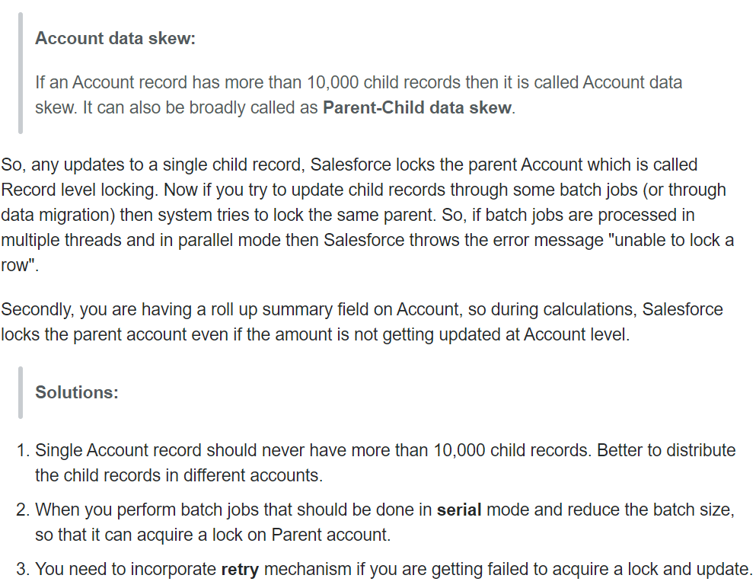
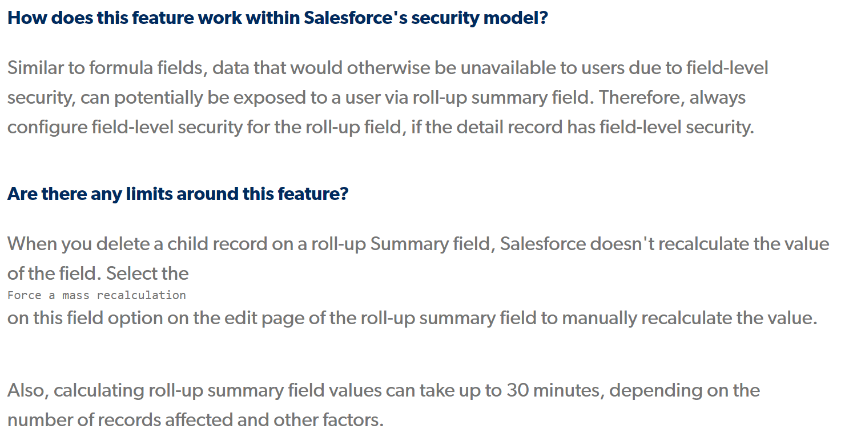
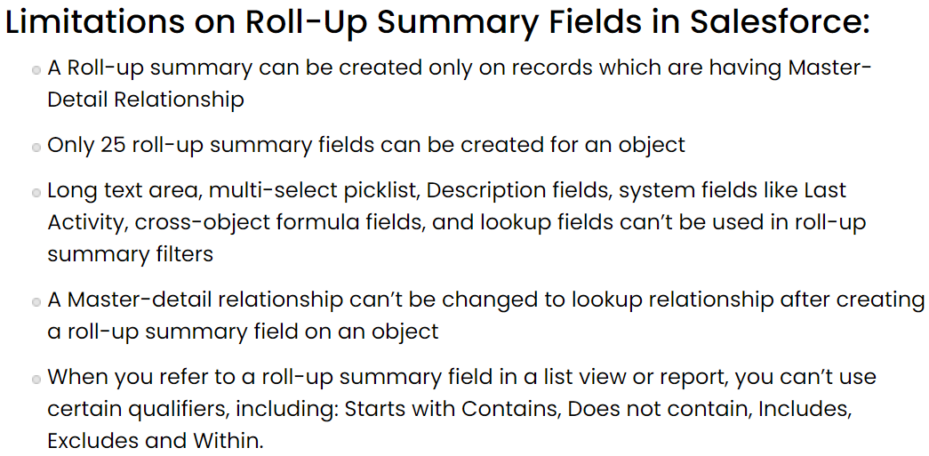
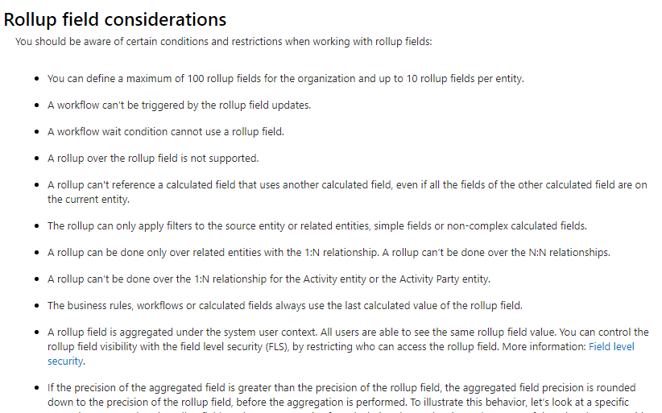
We can create max 25 roll up summery fields on an object.
Formula fields that include related object merge fields are not allowed in roll-up summary fields.
Formula field that references a dynamic date function such as Now(), and Today() are also not allowed in roll-up summary fields.
When we delete a child record on a roll-up Summary field, Salesforce doesn’t recalculate the value of the field. We can select the “Force a mass recalculation of this field” option on the edit page of the roll-up summary field to manually recalculate the value.
We can’t use long text area, multi-select picklist,description fields, system fields like, Last Activity, cross-object formula fields, and lookup fields in the field column of roll-up summary filters.
Auto number fields are not available as the field to aggregate in a roll-up summary field.
After you have created a roll-up summary field on an object, you cannot convert the object’s master-detail relationship into a lookup relationship.
Roll-up summary fields are not available for mapping lead fields of converted leads.
We can use roll-up summary fields in validation rules but not as the error location for our validation.
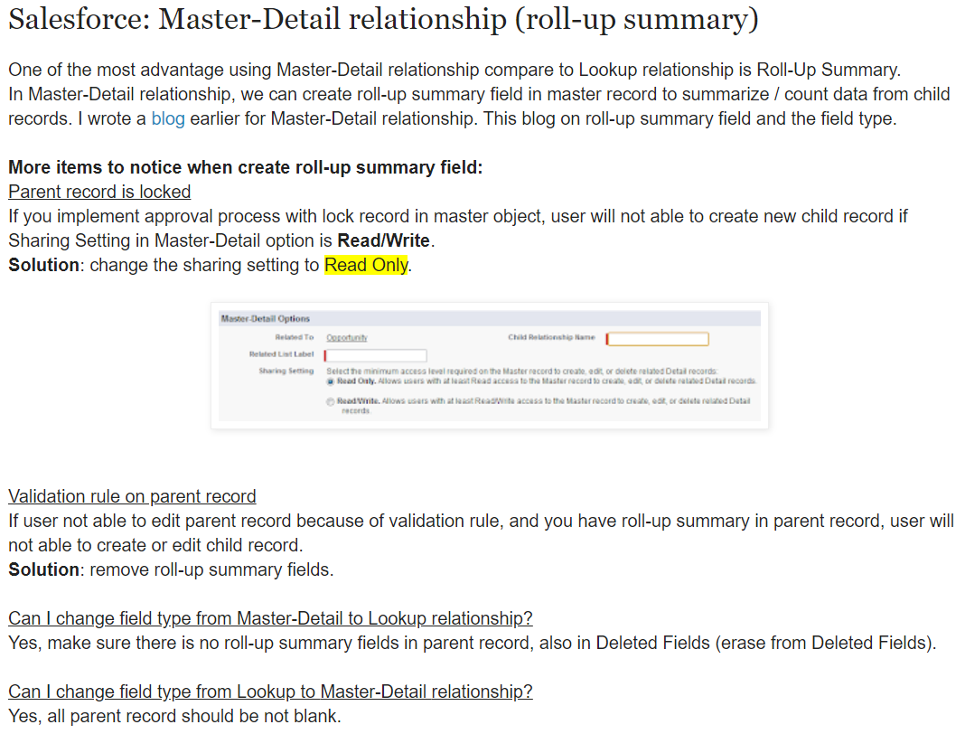
When you refer to a roll-up summary field in a list view or report, you can’t use certain qualifiers, including: Starts with Contains, Does not contain, Includes, Excludes and Within.


Which two will prevent a formula field from being referenced by a Roll-Up Summary field? 1. A cross-object workflow updating a field referenced by the formula field. 2 .A cross-object field reference in the formula field.

In case of parallel data loading, how to avoid record locked error ?
Ans : Record locked error can be avoided by two ways
1. Change schema of Object : Check every Lookup field and make sure that in Lookup Option you have not selected “Don’t allow deletion of the lookup record that’s part of lookup relationship”. Because of this selection, even during insert operation system hold lock against record and other batches accessing same record fails.
2. Order Insert operations in CSV File : In this option, Sort column containing parent record Id for Lookup fields. So all records of same parent will be loaded in same batch and parent record locked problem across batch will be resolved. Check this Webinar recording for loading 20 millions record in one hour.
3. Other reasons of lock may be Rollup Summary, Workflow, Trigger etc.

Calculating roll-up summary field values can take up to 30 minutes, depending on the number of records affected and other factors.

Avoid referencing a roll-up summary field from a child record. The roll-up summary fields referenced from child records can have outdated values, because their parent records have not been updated. Instead, reference roll-up summary fields from parent records. Your roll-up summary fields will always have updated values, because that rule runs after the parent value has been updated.

Apply field-level security to your roll-up summary fields if they calculate values that you do not want visible to users. Fields that your users cannot see due to field-level security settings on the detail record are still calculated in a roll-up summary field.

If you have validation rules, consider how they affect roll-up summary fields. The value in a roll-up summary field changes when the values in the detail records change. So, validation errors can display when saving either the detail or master record.

Because roll-up summary fields are not displayed on edit pages, you can use them in validation rules but not as the error location for your validation.

In some cases, there can be small numerical remainders after deletion or filtering of records when you use SUM as the roll-up type. To correct the value, select the Force a mass recalculation of this field option on the edit page of the roll-up summary field to manually recalculate the value.
Salesforce does not recalculate the value of campaign roll-up summary fields when leads or contacts are deleted. Select the Force a mass recalculation of this field option on the edit page of the roll-up summary field to manually recalculate the value.

When you delete a roll-up summary field using Metadata API, the field isn't saved in the Recycle Bin. The field is purged even if you don’t set the purgeOnDelete deployment option to true.

formula fields
Formula Fields and Workflow Field Updates
Both are easy to configure and no code is involved.
Workflow field update is recommended over formula field for better performance.
NOTE: When dealing with Large Data Volumes (LDV), you want to avoid filtering your query with a formula field, as it can slow down the performance of your query (be it APEX, Reports, List Views, or Flow). In most situations we are not going to use our Formula Field in that way, but it is important to keep this concern mind.

Formula Fields
1. Changes in Parent record will be automatically reflected in child records.
2. Change in Formula field cannot invoke trigger or workflows.
3. Formula field values cannot be modified manually.
4. Read-only, formula is static Can't use on certain fields like Rich Text Fields

The value of the formula is only calculated after the record is saved. This applies to cross-object formulas as well. For instance, you can easily display the account’s phone number on the opportunity, but you cannot edit the phone number without returning to edit the account record.

Instead of using a formula field, you can switch to a workflow and field update, which is not subject to this same 5,000 character limit.

Tips
Formula fields can expose data that user do not have access, such as:
- user do not have access to the field level security within the same object
- cross-object where user do not have access to the record
- cross-object where user do not have access to the record and the field
- cross-object where user do not have permission to the object

Roll-Up Summary Field
If a roll-up summary field doesn’t contain cross-object field references or functions that derive values on the fly, such as NOW or TODAY, it can calculate the values of formula fields.
Some formula fields cannot be referenced by roll-up summary fields.
Note: Roll-up summary and formula fields are always read only on detail pages and are NOT AVAILABLE on edit pages.
True. They also may be visible to users even though they reference fields your users can’t see.

Workflow Field Updates
1. Changes in Parent record cannot be updated in child records.
2. If the record was updated with workflow field updates, fires before and after triggers one more time. Custom validation rules, duplicate rules, and escalation rules are not run again.
3. It considers criteria before updating the field value.

Now there is a similarity between workflow and formula field.:
Whenever there is a change in the source field of formula field it automatically re-calculate its field value according to updated value in the source field.
In same fashion workflow can also do the field update.
one more thing formula field can't use the workflow but inside a workflow we use formula field.
there are only one criteria to update the value of formula field but for workflow u can define different kind of criteria.

Cross-Object Formula
Create a cross-object formula on a detail or child object to reference or display data from the parent object, or its own parent objects.
You can reference data from objects up to 10 relationships away.
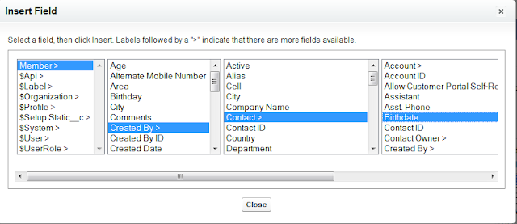

The capabilities of cross-object formula fields are:
Formula fields can expose data the user does not have access to in a record.
Formula fields can reference fields from Master-Detail or lookup parent relationships.
Provides the ability to reference the value of a field in a parent object from the child objects through detail pages, list views, and reports
They can reference fields on parent or grandparent objects up to 10 relationships away
Cross object formula is calculated as the records are viewed
Cross-object formula also work from child to parent but only in master-detail relationship
Cross Object formulas can be used everywhere except when creating default values.

What is a cross object index
It's a concept whereby you index a field on a related object to get around the restriction on indexing cross object formula fields

What are the performance implications of cross object formula fields
At report time the optimiser has to make a lot of joins to surface the data which leads to slow reports

What types of fields can't be used by in a skinny table
1. Formula Fields
2. Fields derived from other objects
3. Large CLOB

Query:
SELECT Id FROM Account WHERE FormulaField__c = 'ValueA'
The following rules have to be true in order to index a Formula Field:
The formula contains fields from a single object only (not relationship fields).
The formula field doesn't reference any non-deterministic functions (e.g. SYSDATE).
The formula field doesn't reference any non-supported fields for including in indexes. This list isn't documented anywhere specifically (there are lots of special cases), but in Spring 12(176), createdById was non-supported, but in Summer 12 (178), it is supported. Same story for CreatedDate.
The formula field doesn't contain references to Primary Keys (e.g Id)
The formula field does not use TEXT(<picklist-field>) function
If the formula references any Lookup fields, the field must not have the option "What to do if the lookup record is deleted?" set to "Clear the value of this field."

If one of the condition above is false, the "Add index" does not display on the field.
Note: The performance of the SOQL query will be analyzed by Salesforce Support, if it passes the criteria, then the index will be done.

Question
Which type of formula fields can be used in custom indexes?
Deterministic formula fields.
Note: Salesforce also supports custom indexes on custom fields, except for multi-select picklists, text areas (long), text areas (rich), non-deterministic formula fields, and encrypted text fields.

Give 3 examples of common non-deterministic formulas
1. Reference other entities (like fields accessible through lookup fields)
2. Include other formula fields that span over other entities
3. Use dynamic date and time functions (for example, TODAY and NOW)

Why cant a non deterministic formula field be indexed
They change over time without requiring a change the record itself

What happens to an index on a formula field if the formula field is changed
Index is disabled; to re enable contact support

Which fields does Salesforce not support for custom indexes?
1. Multi-select picklists
2. Currency fields in a multicurrency organization
3. Text areas (long and rich)
4. Non-deterministic formula fields
5. Binary fields (Blob, file or Encrypted text)
6. New data types added by Salesforce

What is the best practice when you want to avoid querying on formula fields, which are computed in real time
If querying on formula fields is required, make sure they are deterministic formulas. Avoid filtering with formula fields that contain dynamic, non-deterministic references
Note: Never use a formula field as an indexing or filtering value. If you need a field value to be dynamically calculated but know that it will be used to filter data through API calls or in the WHERE clause of any SOQL statement, consider using static fields in combination with workflows instead. The reason here is that the calculation of formulas can be especially taxing “under the hood” to the platform in these conditions and will result in a performance loss.

When should we use a formula field over a trigger for computed values
1. If the formula is deterministic we can index this. This makes it preferable to using a trigger
2. If we need a 100% Realtime display of computed values

When should we use a trigger over a formula field for computed values
1. When we have a mass update over a large number of records - we have the ability to activate and deactivate triggers so we can have it active during a maintenance window
2. If we need to index and the formula is non deterministic

